DASHBOARD
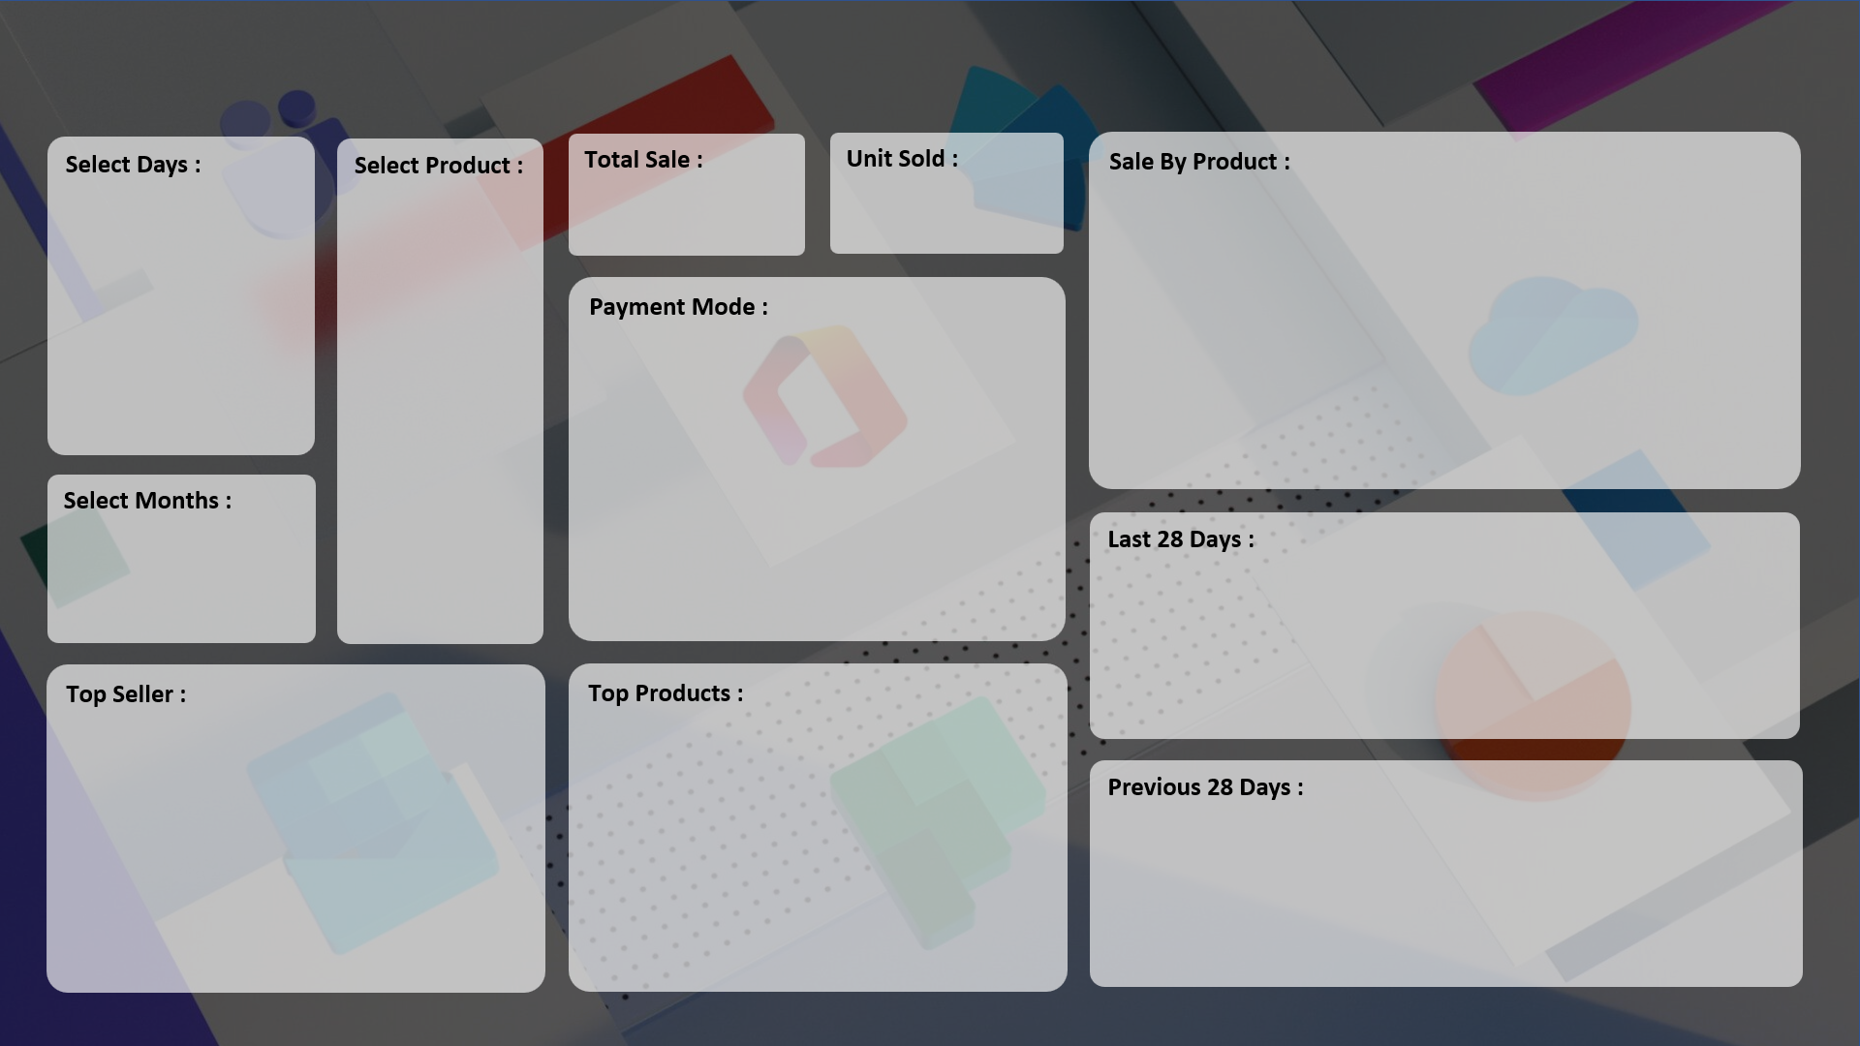
SALE PERFORMANCE DASHBOARD 2024
DEEPAK

₹ 1,78,58,190
7,679
 | Total
HDD 256 GB | 1295
Keyboard | 1320
Monitor | 904
Mouse | 787
Printer | 928
Scanner | 856
SSD 256 GB | 1589

 | Total
Cash | 3974
Online | 3705

 | Total
28-Jun | 19
29-Jun | 26
30-Jun | 37
01-Jul | 37
02-Jul | 19
03-Jul | 26
04-Jul | 37
05-Jul | 37
06-Jul | 19
07-Jul | 26
08-Jul | 37
09-Jul | 37
10-Jul | 19
11-Jul | 26
12-Jul | 37
13-Jul | 37
14-Jul | 19
15-Jul | 33
16-Jul | 17
17-Jul | 28
18-Jul | 14
19-Jul | 18
20-Jul | 23
21-Jul | 23
22-Jul | 22
23-Jul | 14
24-Jul | 21
25-Jul | 21

 | Total
ABC Traders | 1669
CCC Mart | 2426
RG Store | 2151
 | Total
HDD 256 GB | 1295
Keyboard | 1320
Monitor | 904
Mouse | 787
Printer | 928
Scanner | 856
SSD 256 GB | 1589

 | Total
31-May | 19
01-Jun | 26
02-Jun | 37
03-Jun | 37
04-Jun | 19
05-Jun | 26
06-Jun | 37
07-Jun | 37
08-Jun | 19
09-Jun | 26
10-Jun | 37
11-Jun | 37
12-Jun | 19
13-Jun | 26
14-Jun | 37
15-Jun | 37
16-Jun | 19
17-Jun | 26
18-Jun | 37
19-Jun | 37
20-Jun | 19
21-Jun | 26
22-Jun | 37
23-Jun | 37
24-Jun | 19
25-Jun | 26
26-Jun | 37
27-Jun | 37

